
 |  |  |  | CODE: |  |  | pl1052 ac SN from 00E000
DESCRIPTION: |  | BRAKE |  | BREMSE | FREIN | FRENO | PEDALE FRENO
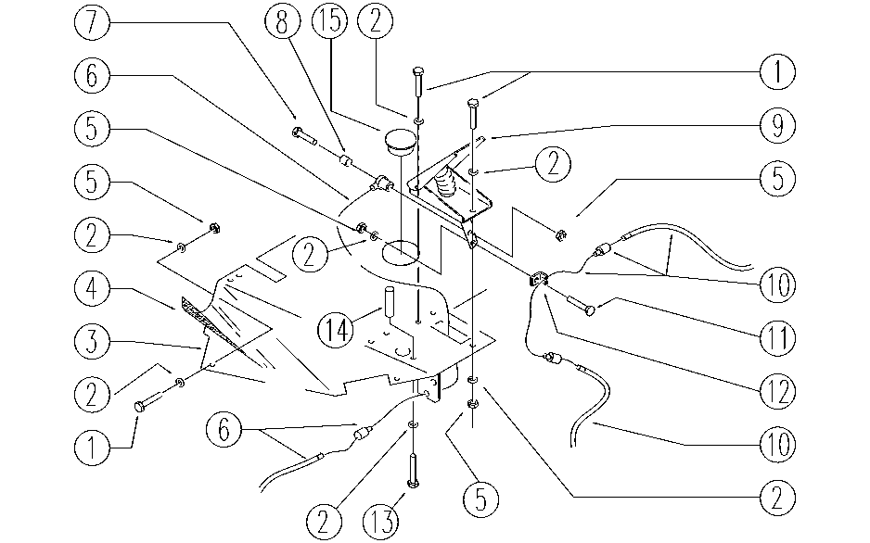

REF. | CODE | DESCRIPTION | QT
1 | E89486 | Screw | 10
2 | E86707 | Cham Washer D10 | 22
3 | SL09824 | FOOTBOARD | 1
4 | SL03242 | COVERING / COATING | 1
5 | E86552 | nut | 12
6 | SL14210 | CABLE | 1
7 | E86366 | screw WS20 | 1
8 | E87909 | Spacer | 1
9 | SL22011 | TREADLE | 1
10 | SL14216 | CABLE | 1
11 | E86901 | Seat Back Screw | 1
12 | SL09723 | BLOCK / LOCK | 1
13 | E86366 | screw WS20 | 1
14 | SL07333 | SPACER | 1
15 | E89132 | Cap | 1

